Packing
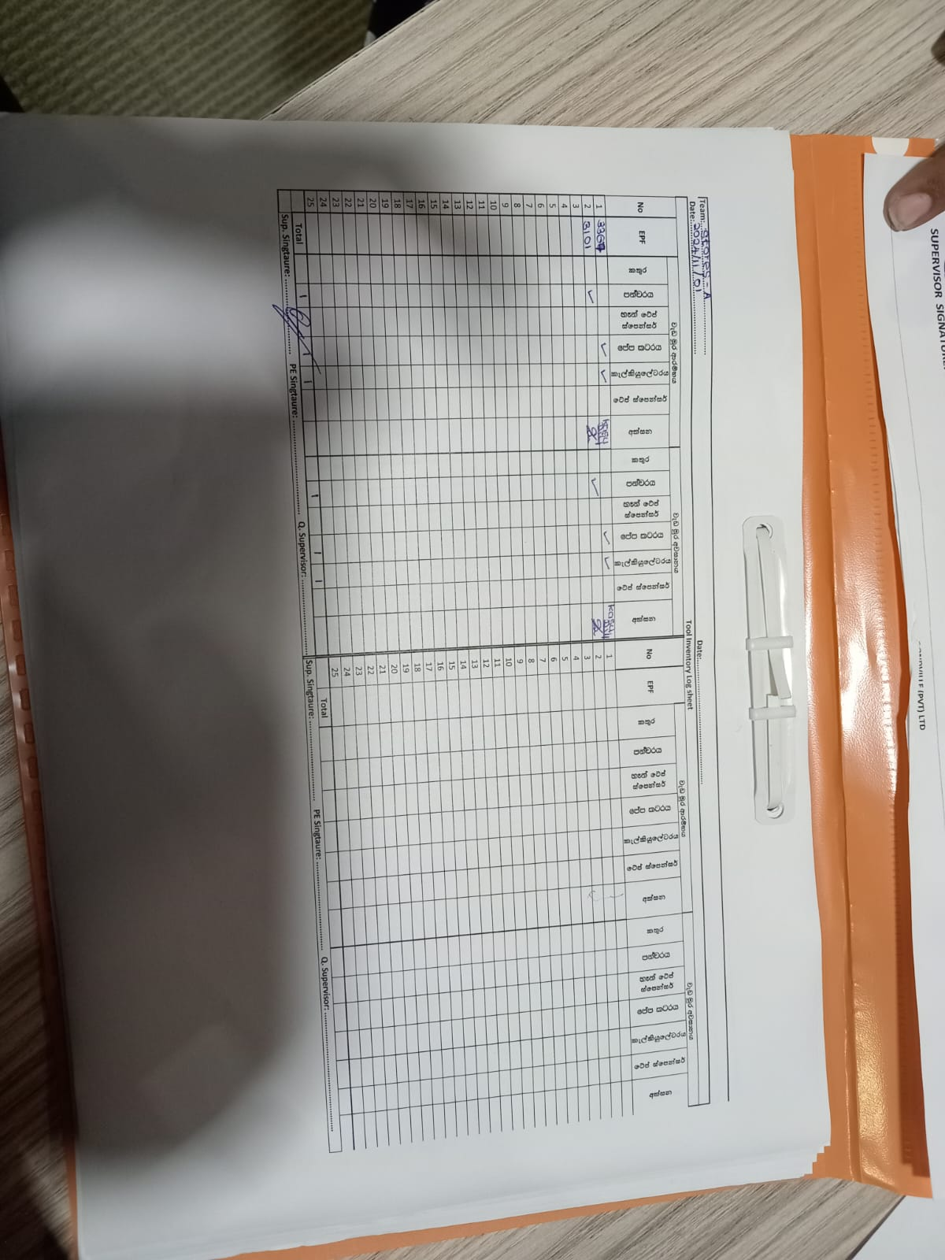
Packing/ Data Entry Area near the Cutting |  |  |  |  |  |  | Prodcution_Modules
Description |  | Responsibility | Allocated Score | Accurate Score | Adjustable score | Remark | Description
Emergency Response |  |  |  |  |  |  | Emergency Response |  | Executive Production | Manager Production | Executive Compliance | Assistant Compliance
1 | Exist should be not closed | Production | 20 | 20 | 20 |  | 1 | Exist should be not closed | R | A | C | I | R | Responsible
2 | Emergency exits pathways are not obstructed | Production | 10 | 10 | 10 | Space issue raised | 2 | Emergency exits pathways are not obstructed | R | A | C | I | A | Accountable
3 | Smoke detectors/beam detectors/Fire call points & Fire fighting equipment not obstructed | Production | 10 | 10 | 10 |  | 3 | Smoke detectors/beam detectors/Fire call points & Fire fighting equipment not obstructed | R | A | C | I | C | Consulted
4 | Fire attendance registers are marked daily in all Departments | Production | 10 | 10 | 10 |  | 4 | Fire attendance registers are marked daily in all Departments | R | A | C | I | I | Informed
First Aid |  |  |  |  |  |  | First Aid
5 | First aid box is not obstructed | Production | 10 | 10 | 10 |  | 5 | First aid box is not obstructed | R | A | C | I
6 | Electrical equipment (i.e. electrical panels, fuse/breaker boxes) are accessible and free of obstructions | Production | 10 | 10 | 10 |  | 6 | Electrical equipment (i.e. electrical panels, fuse/breaker boxes) are accessible and free of obstructions | R | A | C | I
7 | Not obstructing the wheelchair | Production | 10 | 10 | 10 |  | 7 | Not obstructing the wheelchair | R | A | C | I
Personal Protective Equipment (PPEs) |  |  |  |  |  |  | Personal Protective Equipment (PPEs)
8 | PPEs are used by all employees when they are necessary | Production | 15 | 15 | 15 |  | 8 | PPEs are used by all employees when they are necessary | R | A | C | I
Sharp Tool Safety |  |  |  |  |  |  | Sharp Tool Safety
9 | Sharp tools are hung & tied properly (trimmers/ sessiors) | Production | 5 | 5 | 5 |  | 9 | Sharp tools are hung & tied properly (trimmers/ sessiors) | R | A | C | I
10 | Safety rulers are used when using OLFA cutters | Production | 5 | 5 | 5 |  | 10 | Safety rulers are used when using OLFA cutters | R | A | C | I
11 | Tool inventory is maintained properly | Production | 5 | 5 | 5 |  | 11 | Tool inventory is maintained properly | R | A | C | I
12 | Not Handling loose blades & paper cutters | Production | 5 | 5 | 5 |  | 12 | Not Handling loose blades & paper cutters | R | A | C | I
Other |  |  |  |  |  |  | Other
13 | Cartons are stacked at safe height (6ft) | Production | 5 | 5 | 5 |  | 13 | Cartons are stacked at safe height (6ft) | R | A | C | I
14 | Proper housekeeping are maintained | Production | 5 | 5 | 5 |  | 14 | Proper housekeeping are maintained | R | A | C | I
15 | Stairs are clear of obstructions and not stored items under exit stairs | Production | 15 | 15 | 15
 | Total |  | 140 | 140 | 140
 | % |  | 100 | 100 | 100

